Sheet1
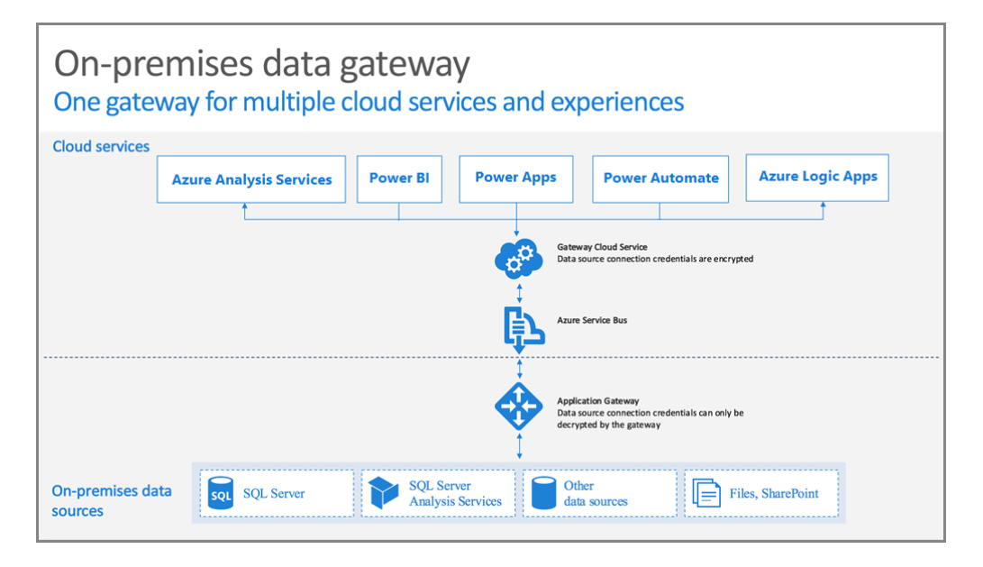
1. Luồng chạy cửa Power Bi Desktop và power bi service
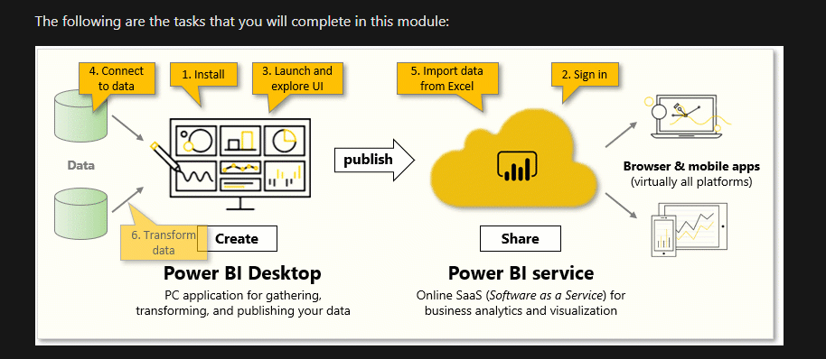

2.Luồng on-premises

